Sheet1
ID | Descrição | Foto | Valor R$
11 | adidas Mundial Team football boots | 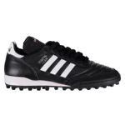 1 | 812.37 - 863.67
12 | adidas World Cup football boots | 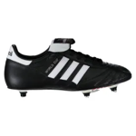 1 | 934.81 - 997.87
13 | adidas Predator Pro FG football boots | 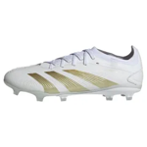 1 | 813.14 - 813.14
14 | adidas Copa Mundial football boots | 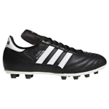 1 | 937.35 - 997.87
15 | adidas F50 Elite Laceless FG football boots | 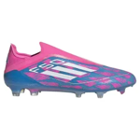 1 | 1348.34 - 1477.7
16 | adidas Predator Elite Laceless FG football boots | 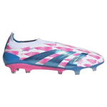 1 | 1348.34 - 1477.7
17 | adidas Copa Pure 2 Elite FG football boots | 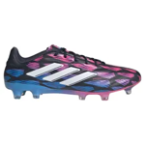 1 | 1182.76 - 1260.2
18 | adidas Predator Elite FG football boots |  1 | 1306.96 - 1432.86
19 | adidas X Crazyfast.2 FG football boots | 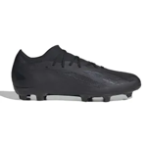 1 | 668.17 - 714.16
20 | adidas X Crazyfast.2 FG football boots | 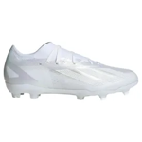 1 | 655.33 - 664.17
21 | adidas Predator Pro FG football boots | 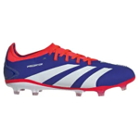 1 | 813.14 - 863.67
22 | adidas Predator Elite Fold Over Tongue SG football boots | 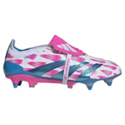 1 | 1428.17 - 1428.17
23 | adidas Copa Pure 2 Elite FG football boots | 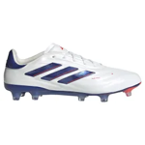 1 | 1182.76 - 1260.2
24 | adidas Copa Pure 2 Pro FG football boots | 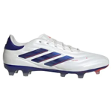 1 | 813.14 - 863.67
25 | adidas F50 Elite FG football boots | 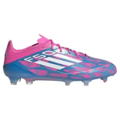 1 | 1306.96 - 1432.86
26 | adidas Copa Pure 2 Elite FG football boots | 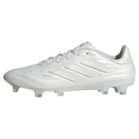 1 | 1182.76 - 1182.76
27 | adidas Predator Elite Laceless FG football boots | 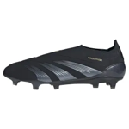 1 | 1348.34 - 1348.34
28 | adidas F50 Elite Laceless FG football boots | 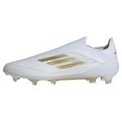 1 | 1348.34 - 1477.7
29 | adidas Copa Pure 2 Elite FG football boots | 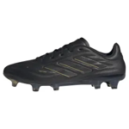 1 | 1182.76 - 1182.76
30 | adidas Predator Elite FG football boots | 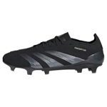 1 | 1306.96 - 1306.96
31 | adidas Predator Elite SG football boots | 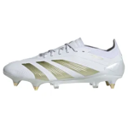 1 | 1306.96 - 1306.96
32 | adidas X Crazyfast Elite 2G/3G AG football boots | 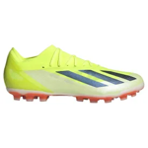 1 | 1236.36 - 1306.96
33 | adidas Predator Pro FG football boots | 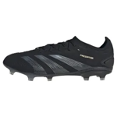 1 | 813.14 - 863.67
34 | adidas Predator Elite FG football boots | 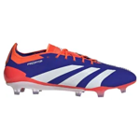 1 | 1306.96 - 1432.86
35 | adidas F50 Elite FG football boots | 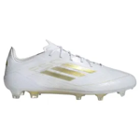 1 | 1306.96 - 1306.96
36 | adidas F50 Pro FG football boots | 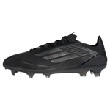 1 | 813.14 - 863.67
37 | adidas X Crazyfast Elite Messi FG football boots | 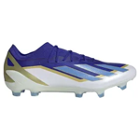 1 | 1306.96 - 1306.96
38 | adidas Predator Elite 2G/3G AG football boots | 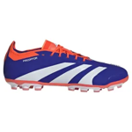 1 | 1306.96 - 1432.86
39 | adidas Predator Elite Laceless FG football boots | 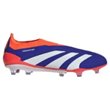 1 | 1348.34 - 1477.7
40 | adidas F50 Elite SG football boots | 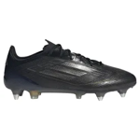 1 | 1306.96 - 1432.86
41 | adidas F50 Elite Laceless SG football boots | 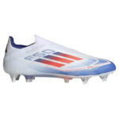 1 | 1348.34 - 1477.7
42 | adidas Predator Elite Laceless FG football boots | 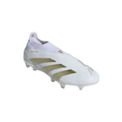 1 | 1348.34 - 1348.34
43 | adidas Predator Pro MG football boots | 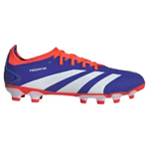 1 | 813.14 - 863.67
44 | adidas F50 Elite Mid FG football boots | 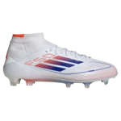 1 | 1306.96 - 1306.96
45 | adidas X Crazyfast.1 FG football boots | 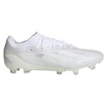 1 | 1173.45 - 1184.53
46 | adidas Predator Elite Fold Over Tongue FG football boots | 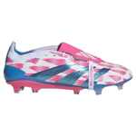 1 | 150.7 - 1428.17
47 | adidas Predator Elite FG football boots | 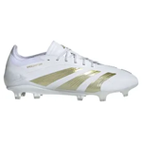 1 | 1306.96 - 1432.86
48 | adidas F50 Pro MG football boots | 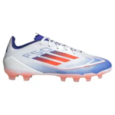 1 | 813.14 - 863.67
49 | adidas X Speedportal.2 FG football boots | 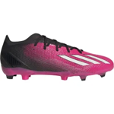 1 | 755.08 - 755.08
50 | adidas Predator Elite Laceless AG football boots | 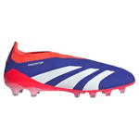 1 | 1348.34 - 1477.7
51 | adidas F50 Elite FG football boots | 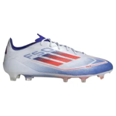 1 | 1306.96 - 1432.86
52 | adidas Copa Pure 2 Elite FG football boots | 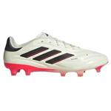 1 | 1182.76 - 1260.2
53 | adidas X Crazyfast Elite Laceless FG football boots | 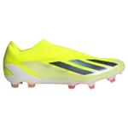 1 | 1348.34 - 1477.7
54 | adidas F50 Elite FG football boots | 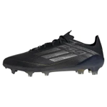 1 | 1306.96 - 1306.96
55 | adidas Copa Pure 2 Elite SG football boots | 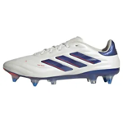 1 | 1182.76 - 1260.2
56 | adidas Copa Pure 2 Pro MG football boots | 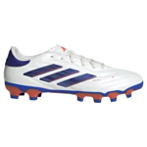 1 | 813.14 - 863.67
57 | adidas Copa Pure 2.2 FG football boots | 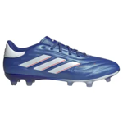 1 | 747.85 - 747.85
58 | adidas F50 Elite SG football boots | 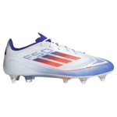 1 | 1306.96 - 1432.86
59 | adidas Predator Pro FG football boots | 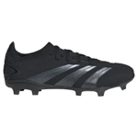 1 | 813.14 - 863.67
60 | adidas Predator Accuracy.1 FG football boots | 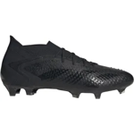 1 | 1169.61 - 1172.76
61 | adidas Predator Elite AG football boots | 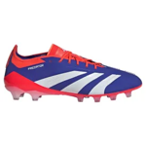 1 | 139.94 - 1431.94
62 | adidas X Crazyfast.2 MG football boots |  1 | 828.21 - 828.21
63 | adidas Predator League 2G/3G AG football boots |  1 | 48.44 - 48.44
64 | adidas Copa Pure 2 Elite FG football boots |  1 | 1181.99 - 1254.2
65 | adidas Predator Accuracy.1 FG football boots |  1 | 1303.5 - 1303.5
66 | adidas Predator Pro FG football boots |  1 | 60.05 - 60.05
67 | adidas F50 Pro FG football boots |  1 | 812.68 - 863.13
68 | adidas X Crazyfast Elite FG football boots |  1 | 1306.12 - 1431.94
69 | adidas F50 Elite Laceless FG football boots |  1 | 1347.42 - 1476.7
70 | adidas Copa Pure 2 Pro FG football boots |  1 | 732.85 - 732.85
71 | adidas Predator Accuracy.1 FG football boots |  1 | 1193.37 - 1193.37
72 | adidas Predator Pro FG football boots |  1 | 741.62 - 863.13
73 | adidas X Crazyfast Elite FG football boots |  1 | 151.31 - 151.31
74 | adidas Copa Pure 2 Elite AG football boots |  1 | 1182.76 - 1260.2
75 | adidas Predator Elite Laceless FG football boots |  1 | 1476.7 - 1476.7
76 | adidas Predator Accuracy.1 FG football boots |  1 | 1332.96 - 1332.96
77 | adidas F50 Pro FG football boots |  1 | 863.13 - 863.13
78 | adidas Predator League 2G/3G AG football boots |  1 | 487.59 - 487.59
79 | adidas Predator Accuracy.2 FG football boots |  1 | 710.24 - 718.62
80 | adidas Copa Pure 2.1 FG football boots |  1 | 1063.94 - 1063.94
81 | adidas X Speedportal.2 MG football boots |  1 | 754.54 - 754.54
82 | adidas X Crazyfast Elite 2G/3G AG football boots |  1 | 1431.94 - 1431.94
83 | adidas Predator Elite Laceless FG football boots |  1 | 1476.7 - 1476.7
84 | adidas Predator Elite Laceless SG football boots |  1 | 1476.7 - 1476.7
85 | adidas F50 Pro Mid FG football boots |  1 | 863.13 - 863.13
212 | adidas X Crazyfast.1 FG football boots |  1 | 1085.01 - 1101.62
213 | adidas Predator Accuracy.1 FG football boots |  1 | 119.42 - 119.42
214 | adidas X Crazyfast.1 FG football boots |  1 | 1333.88 - 1333.88
215 | adidas Copa Pure 2 Elite FG football boots |  1 | 1181.99 - 1181.99
216 | adidas F50 Elite AG football boots |  1 | 139.94 - 151.31

